Sheet1
TITLE | RESOURCE | DEFINITION | SUBJECT/MEASURE | SUB AREA | COUNTRY | MONTH | VARIABLE |  | Soruce
CHN_GBR_841840 | ITC | CHINA Exports/UK Imports |  | DEPENDENT VARIABLE | CHN/UK | i | Y
CHN_World_841840-1 | ITC | CHINA Exports |  | TRADE EXPORT CAPACITY | CHN | i-1 | X0
CHN_USA_841840-1 | ITC | CHINA Exports |  | TRADE EXPORT CAPACITY | CHN | i-1 | X1
CHN_JPN_841840-1 | ITC | CHINA Exports |  | TRADE EXPORT CAPACITY | CHN | i-1 | X2
CHN_FRA_841840-1 | ITC | CHINA Exports |  | TRADE EXPORT CAPACITY | CHN | i-1 | X3
CHN_DEU_841840-1 | ITC | CHINA Exports |  | TRADE EXPORT CAPACITY | CHN | i-1 | X4
CHN_GBR_841840-1 | ITC | CHINA Exports/UK Imports |  | TRADE EXPORT CAPACITY | CHN/UK | i-1 | X5
DEU_GBR_841840-1 | ITC | UK Imports |  | TRADE IMPORT CAPACITY | UK | i-1 | X6
NLD_GBR_841840-1 | ITC | UK Imports |  | TRADE IMPORT CAPACITY | UK | i-1 | X7
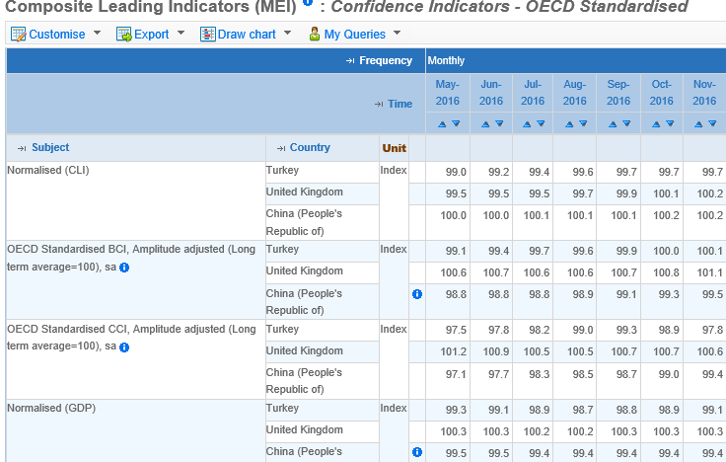
HUN_GBR_841840-1 | ITC | UK Imports |  | TRADE IMPORT CAPACITY | UK | i-1 | X8
EPU_CHN-1 |  | Economic Policy Uncertainty |  | POLITIC ENVIRONMENT | CHN | i-1 | X9
EPU_UK-1 |  | Economic Policy Uncertainty |  | POLITIC ENVIRONMENT | UK | i-1 | X10
EPU_World-1 |  | Economic Policy Uncertainty |  | POLITIC ENVIRONMENT | WORLD | i-1 | X11
BCI_CHN-1 | OECD | Business Confidence Indicator (BCI) | OECD Standardised BCI, Amplitude adjusted | BUSINESS ENVIRONMENT | CHN | i-1 | X12 | OECD | Monthly Economic Indicators/Composite Leading Indicators (MEI) : Confidence Indicators - OECD Standardised
CCI_CHN-1 | OECD | Consumer Confidence Indicator (CCI) | OECD Standardised CCI, Amplitude adjusted | BUSINESS ENVIRONMENT | CHN | i-1 | X13 | OECD | Monthly Economic Indicators/Composite Leading Indicators (MEI) : Confidence Indicators - OECD Standardised
CLI_CHN-1 | OECD | Composite Leading Indicator (CLI) | Normalised (CLI) | BUSINESS ENVIRONMENT | CHN | i-1 | X14 | OECD | Monthly Economic Indicators/Composite Leading Indicators (MEI) : Confidence Indicators - OECD Standardised
GDP_CHN1- | OECD | Gross Domestic Product (GDP) | Normalised (GDP) | ECONOMIC ENVIRONMENT | CHN | i-1 | X15 | OECD | Monthly Economic Indicators/Composite Leading Indicators (MEI) : Confidence Indicators - OECD Standardised
BCI_GBR-1 | OECD | Business Confidence Indicator (BCI) | OECD Standardised BCI, Amplitude adjusted | BUSINESS ENVIRONMENT | UK | i-1 | X16 | OECD | Monthly Economic Indicators/Composite Leading Indicators (MEI) : Confidence Indicators - OECD Standardised
CCI_GBR-1 | OECD | Consumer Confidence Indicator (CCI) | OECD Standardised CCI, Amplitude adjusted | BUSINESS ENVIRONMENT | UK | i-1 | X17 | OECD | Monthly Economic Indicators/Composite Leading Indicators (MEI) : Confidence Indicators - OECD Standardised
CLI_GBR-1 | OECD | Composite Leading Indicator (CLI) | Normalised (CLI) | BUSINESS ENVIRONMENT | UK | i-1 | X18 | OECD | Monthly Economic Indicators/Composite Leading Indicators (MEI) : Confidence Indicators - OECD Standardised
GDP_GBR-1 | OECD | Gross Domestic Product (GDP) | Normalised (GDP) | ECONOMIC ENVIRONMENT | UK | i-1 | X19 | OECD | Monthly Economic Indicators/Composite Leading Indicators (MEI) : Confidence Indicators - OECD Standardised
PPI_CHN-1 | OECD | Producer Price Index (PPI) | Subject: Economic activities - Total producer prices - Manufacturing ? | ECONOMIC ENVIRONMENT | CHN | i-1 | X20 | OECD
PPI_GBR-1 | OECD | Producer Price Index (PPI) |  | ECONOMIC ENVIRONMENT | UK | i-1 | X21 | OECD | https://www.oecd-ilibrary.org/economics/data/prices/producer-prices_data-00535-en
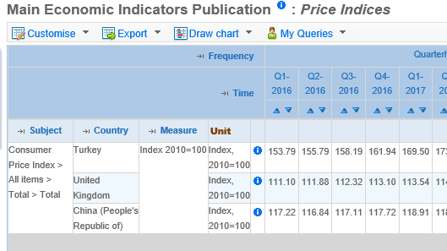
CPI_CHN-1 | OECD | Consumer Price Index (CPI) | Subject : Consumer Price Index > All items > Total > Total Measure : Index 2010=100 | ECONOMIC ENVIRONMENT | CHN | i-1 | X22 | OECD | Monthly Economic Indicators/Main Economic Indicators/Price Indices /Consumer price indices (CPIs) - Complete database CPI: 01-12 - All Items
CPI_GBR-1 | OECD | Consumer Price Index (CPI) | Subject : Consumer Price Index > All items > Total > Total Measure : Index 2010=100, | ECONOMIC ENVIRONMENT | UK | i-1 | X23 | OECD | Monthly Economic Indicators/Main Economic Indicators/Price Indices /Consumer price indices (CPIs) - Complete database CPI: 01-12 - All Items
CNY-1 | OECD | Exchange Rates | Subject : Currency Conversions > US$ exchange rate > Average of daily rates > National currency:USD Measure: Level, rate or national currency | ECONOMIC ENVIRONMENT | CHN | i-1 | X24 | OECD | Monthly Economic Indicators/Main Economic Indicators/Price Indices /Consumer price indices (CPIs) - Complete database CPI: 01-12 - All Items
GBP-1 | OECD | Exchange Rates | Subject : Currency Conversions > US$ exchange rate > Average of daily rates > National currency:USD Measure: Level, rate or national currency | ECONOMIC ENVIRONMENT | UK | i-1 | X25 | OECD | Monthly Economic Indicators/Main Economic Indicators/Price Indices /Consumer price indices (CPIs) - Complete database CPI: 01-12 - All Items
World-1 |  | Trade Volume |  | GLOBAL TRADE | WORLD | i-1 | X26 | CPB | https://www.cpb.nl/en/worldtrademonitor

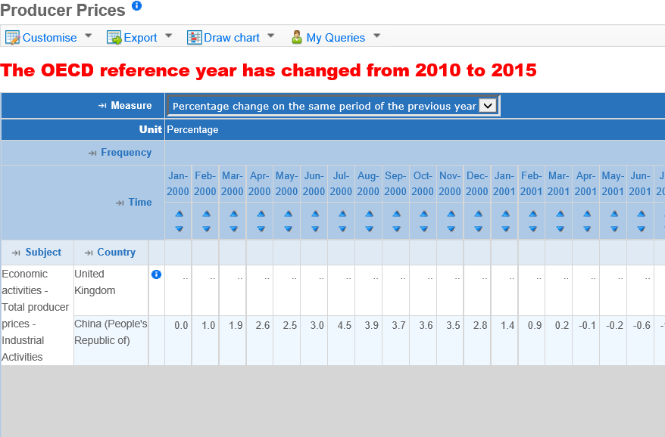

 | Turkiye Cin ve Ingiltere'nin aynı bazda oldugu bir PPI yok. Cin'nin tek oldugu bu PPI cesidi

